Peatlands
Source | Assessment of Carbon (CO2) emissions avoidance potential from the Nile Basin peatlands
 | Greenhouse gases (GHG) emissions from drained peatland in Uganda: Towards an improved inclusion in the Nationally Determined Contributions (NDC) of Uganda
 | Factsheet on UG NDC Draft January2021_peatlands
General Notes | Gt C = gigatonnes of carbon (1 Gt = 1 billion tonnes).
 | CO₂ emissions continue even after drainage stops until rewetting occurs.
 | Most Ugandan peatlands are still savable because the proportion drained so far is relatively low.
 | Rewetting is the only way to stop emissions from already drained peatlands.
 | NEL region in the report stands for Nile Equatorial Lakes region.

Aspect | Data/Values | Notes
Peatland Area (ha) | Confirmed: 145,553 ha Probable: 262,110 ha Possible: 280,133 ha Total: 687,797 ha (6,878 km²) | Based on mapping in Table 2 of the report. Confirmed = field-verified, probable = strong evidence, possible = satellite-based likelihood.
Key Peatland Regions | Lake Victoria sub-basin (Kagera subset, Sango Bay, Mabamba Bay) Lake Albert/George floodplains Lake Kyoga basin Albert Nile Southwest highlands | These are the areas where peatlands are concentrated in Uganda.
Average Peat Depth | 4.0 m (medium depth) | Used to calculate carbon stock. Uganda peatlands are generally deep but not as deep as in Rwanda/Burundi.
Initial drained area | 25% of total peatland area | Assumption used for modeling scenarios.
Dominant Vegetation | Cyperus papyrus (main) Raphia palm (edges, deep peat) Cyperus latifolius, Typha, Phragmites, ferns, sedges, Mimosa | These plants create organic material that forms the peat. Papyrus swamps dominate lowlands; Raphia palms are found in some edges (e.g., Lake George).
Peat Carbon Stock (Gt C) | 1.3 – 3.1 Gt C | 2nd largest in Nile Basin (after South Sudan)
Share of Nile Basin Peat Carbon | ~25–30% of Nile Basin peat carbon stock | Most of this stock is concentrated in the Lake Victoria (Kagera) sub-basin
2010–2014 Drainage Status | Low impact – Uganda had lowest proportion of drained peatlands among NEL countries | Compared to Rwanda, Burundi, Kenya
Recent Trends (Post 2014) | Accelerated burning, drainage, and conversion especially in Lake Kyoga basin and eastern Uganda (Sio Siteko) | Field evidence (2019)
Key Recent Hotspot | Lake Kyoga basin – complete loss of shallow peat at margins between 2013 and 2019 | Figure 22 of the report
Major Land Use Impacts | - Drainage for agriculture (notably rice) - Recurrent burning - Infrastructure (roads) - Grazing and fish ponds | Causes degradation
CO₂ Emissions from Drained Peatlands | Peatlands>50% of national fossil fuel & cement emissions 2015: Estimated emissions from drained peatlands = 1.2 Mt CO₂-eq. 2030: Projected emissions from drained peatlands = 7.1 Mt CO₂-eq. This equals 6% of the total AFOLU sector emissions by 2030. | Drained peatlands are a major contributor to national greenhouse gas emissions./ Calculated with IPCC Tier 1 factors
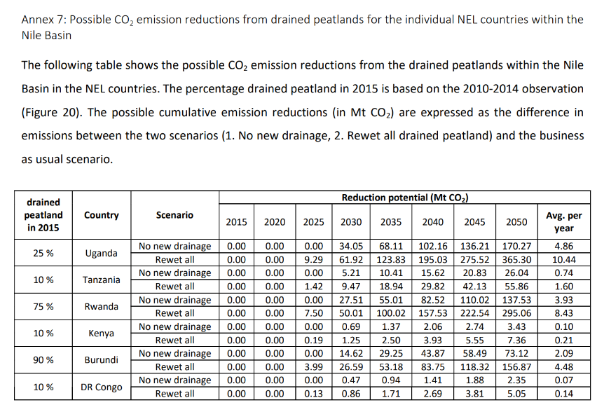
IPCC Assumptions in the Model | Carbon loss from drained peatlands: 14 tonnes C/ha/year (IPCC 2014 default). Carbon gain in undrained/rewetted areas: 1 tonne C/ha/year. CO₂ conversion factor: 3.67 (C to CO₂). | These factors are used to calculate net CO₂ emissions from peatlands under different drainage/rewetting scenarios.

Modeled Scenarios in the report
Scenario | What Happens | Assumptions | NEL Region (All Countries) | Uganda only
1. Business-as-Usual (BAU) | Continued drainage | - 25% of peatlands already drained in 2015. - 1% of total peatland area drained each year until 2050 (60% drained by 2050). | High emissions – part of 804 Mt CO₂ total for the NEL region (Uganda is a major contributor). | Large share of that 804 Mt CO₂ comes from Uganda (exact figure not stated but Uganda is the 2nd largest emitter after South Sudan).
2. No New Drainage | Stop new drainage, but no rewetting | - Drainage frozen at 25%. - Drained areas stay dry and keep emitting. | Lower emissions than BAU because no additional peatlands are drained. | ~170 Mt CO₂ avoided by 2050 (≈ 4.9 Mt CO₂/year)
3. Rewet All by 2025 | Stop new drainage + restore drained areas | - No new drainage. - By 2025, all 25% drained peatlands are rewetted. | Much lower emissions because emissions from rewetted areas stop after 2025 and peat starts storing carbon again. | ~365 Mt CO₂ avoided by 2050 (≈ 10.4 Mt CO₂/year)

Scenario Modeling Method
Modeling Component | Approach / Assumptions | Source / Notes
Purpose | Estimate carbon stock losses and CO₂ emissions avoidance potential for peatlands (2015–2050). | Applied for Uganda and other Nile Equatorial Lakes countries.
Model Type | Simple time-series model | Not a complex model; spreadsheet-based.
Starting Condition (2015) | 25% of total peatland area is drained; 75% remains undrained. | Assumed for all NEL countries due to lack of detailed national drainage data.
BAU Drainage Rate | +1% of total peatland area drained each year (2015–2050). | Leads to 60% drained by 2050.
Carbon Loss Factor | 14 tonnes C per ha/year from drained tropical peatlands. | IPCC 2014 default emission factor.
Carbon Gain Factor | 1 tonne C per ha/year for undrained or rewetted peatlands. | Based on literature (Saunders et al., 2012; Dargie et al., 2017).
Conversion to CO₂ | Multiply net carbon stock change by 3.67. | Factor for converting C to CO₂.
Outputs | Net carbon stock and total CO₂ emissions (2015–2050) for each scenario. | Results presented as cumulative CO₂ emissions and avoided emissions.

 |  |  |  |  | Trajectory | 2015 | 2016 | 2017 | 2018 | 2019 | 2020 | 2021 | 2022 | 2023 | 2024 | 2025 | 2026 | 2027 | 2028 | 2029 | 2030
 |  |  |  |  | Business-as-usual | 87 | 90 | 93 | 97 | 100 | 104 | 108 | 111 | 115 | 119 | 123 | 127 | 131 | 135 | 139 | 143
 |  |  |  |  | NDC trajectory | 87 | 88 | 91 | 94 | 97 | 84 | 72 | 59 | 46 | 34 | 37 | 40 | 43 | 46 | 49 | 52
 |  |  |  |  | BAU + Peatland | 88 | 92 | 97 | 101 | 105 | 108 | 110 | 114 | 118 | 124 | 128 | 132 | 134 | 138 | 142 | 148
 |  |  |  |  | NDC trajectory + Peatland | 88 | 89 | 92 | 95 | 99 | 84 | 62 | 51 | 41 | 30 | 32 | 38 | 39 | 41 | 42 | 45
 |  |  |  |  | Projected total greenhouse gas emissions for Uganda (in Mt CO₂-eq) under business-as-usual (BAU) and Nationally Determined Contribution (NDC) mitigation pathways, with and without including emissions from drained peatlands. Adding peatland emissions raises the BAU and NDC trajectories, highlighting that without peatland rewetting, overall national emissions remain higher and the mitigation effect of the NDC is reduced.

